CHAI CHITAI (Tea Leaf,etc)
DATE | INV NO. | DESCRIPTIONS | QTY | BILLS | PRICE | SUBTOTAL | TOTAL
17-Jan-2026 | 00012 | RED GABA | 0.3 | 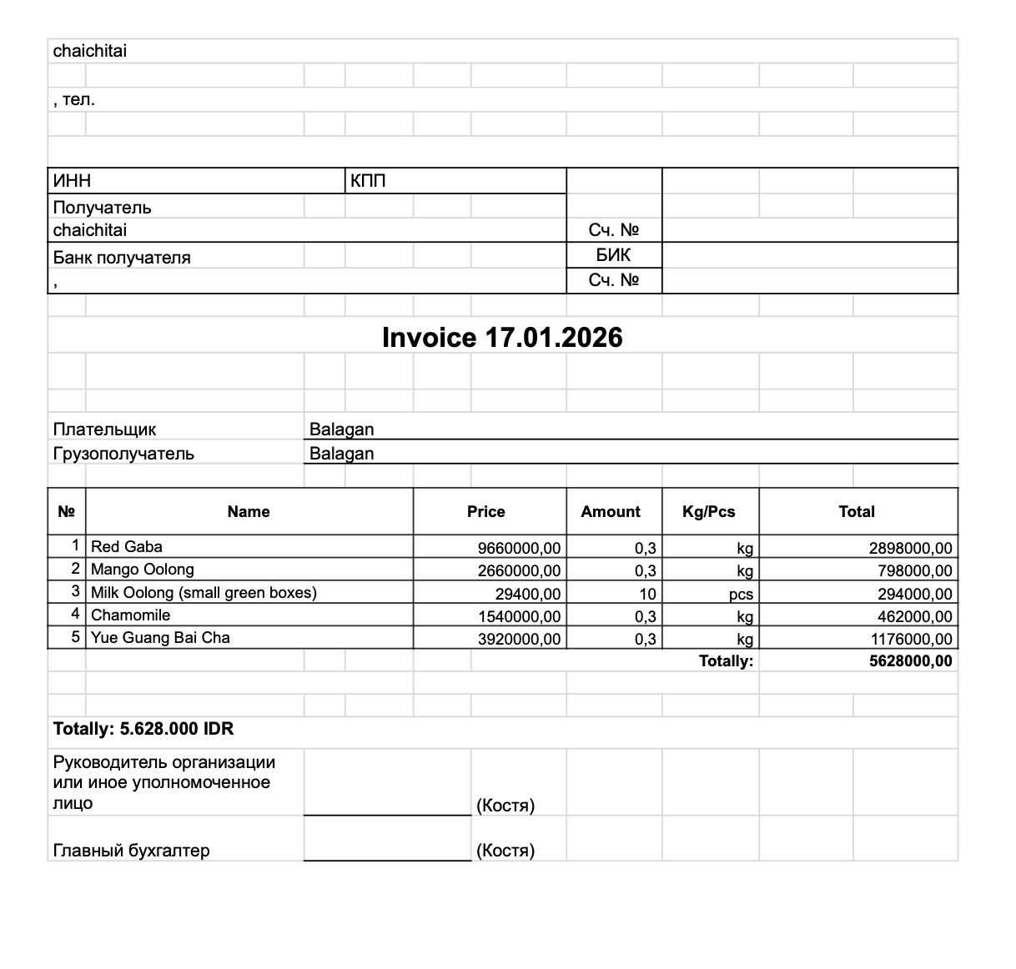 | IDR 9,660,000 | IDR 2,898,000 | IDR 5,628,000
 |  | MANGO OOLONG | 0.3 |  | IDR 2,660,000 | IDR 798,000
 |  | MILK OOLONG | 10 |  | IDR 29,400 | IDR 294,000
 |  | CHAMOMILE | 0.3 |  | IDR 1,540,000 | IDR 462,000
 |  | YUE GUANG BAI CHA | 0.3 |  | IDR 3,920,000 | IDR 1,176,000

GRAND TOTAL |  |  |  | IDR 5,628,000

